Sheet1
Question 1

 |  | Binary Size Comparison:

 |  | SIZE | astO0.out size: | 62655
 |  |  | astO3.out size: | 56129

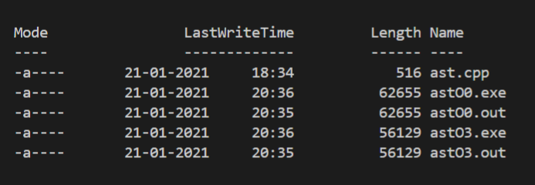

 |  | The file size of astO0.out is greater than that of astO3.out

 |  | Runtime Comparison:

 |  | astO0.out | astO3.out
 | 1 | 413893 | 0
 | 2 | 402954 | 0
 | 3 | 403919 | 0
 | 4 | 404913 | 0
 | 5 | 401956 | 0
 | 6 | 399963 | 0
 | 7 | 407940 | 0
 | 8 | 404949 | 0
 | 9 | 400961 | 0
 | 10 | 399963 | 0

 |  | Inference
 |  | The flaf -Olevel is used for optimization. Level=3 has some level of optimization whereas Level=0 has normal compilation.
 |  | Hence both the file-size and execution time for astO3.out is lesser than astO0.out

